Data Tables
Entry Time (seconds)
Participant | Initials | Opti (A) |  |  |  |  | QWERTY (B) |  |  |  |  | Group
 |  | 1 | 2 | 3 | 4 | 5 | 1 | 2 | 3 | 4 | 5 |  | AB or BA?
P1 | DJ | 34.1 | 31.2 | 31.8 | 30.8 | 25.4 | 12.2 | 13.1 | 11.8 | 10.3 | 10.1 | 1 | 1 or 2
P2 | TL | 88.0 | 60.0 | 53.0 | 45.0 | 60.0 | 18.0 | 17.0 | 16.0 | 14.0 | 15.0 | 1
P3 | BS | 70.0 | 46.0 | 48.0 | 41.0 | 38.0 | 21.0 | 16.0 | 14.0 | 12.0 | 12.0 | 1
P4 | RH | 34.8 | 34.7 | 32.4 | 29.9 | 30.6 | 8.9 | 8.0 | 7.6 | 7.4 | 7.0 | 1
P5 | KL | 43.0 | 34.2 | 40.8 | 35.9 | 31.8 | 15.4 | 16.3 | 12.6 | 12.3 | 11.3 | 1
P6 | JN | 58.0 | 46.0 | 44.0 | 43.0 | 31.0 | 19.0 | 18.0 | 12.0 | 14.0 | 13.0 | 1
P7 | DM | 45.0 | 61.0 | 44.0 | 46.0 | 32.0 | 13.0 | 16.0 | 13.0 | 14.0 | 11.0 | 1
P8 | SH | 71.3 | 55.0 | 47.3 | 39.7 | 38.9 | 22.1 | 17.0 | 17.9 | 18.1 | 16.5 | 1
P9 | EG | 26.0 | 22.0 | 26.0 | 24.0 | 20.0 | 9.0 | 8.0 | 9.0 | 9.0 | 9.0 | 1
P10 | RD | 32.7 | 38.1 | 31.4 | 29.7 | 24.7 | 12.6 | 10.4 | 10.1 | 10.1 | 10.4 | 2
P11 | DKT | 48.0 | 34.0 | 29.0 | 27.0 | 34.0 | 19.0 | 16.0 | 16.0 | 16.0 | 16.0 | 2
P12 | BG | 48.0 | 38.0 | 52.0 | 34.0 | 35.0 | 15.0 | 12.0 | 12.0 | 11.0 | 10.0 | 2
P13 | SB | 40.0 | 40.1 | 34.8 | 33.7 | 35.7 | 13.4 | 9.7 | 9.9 | 8.7 | 8.0 | 2
P14 | CA | 34.2 | 32.8 | 32.4 | 30.7 | 30.5 | 12.8 | 12.1 | 11.2 | 11.8 | 12.2 | 2
P15 | AC | 46.0 | 42.0 | 39.0 | 42.0 | 27.0 | 15.0 | 14.0 | 14.0 | 12.0 | 11.0 | 2
P16 | SA | 82.0 | 62.0 | 63.0 | 62.0 | 52.0 | 20.0 | 16.0 | 16.0 | 12.0 | 10.0 | 2
P17 | MC | 47.5 | 59.2 | 41.9 | 40.5 | 42.5 | 10.6 | 9.7 | 7.9 | 8.9 | 8.5 | 2
P18 | CK | 36.0 | 37.0 | 29.0 | 30.0 | 26.0 | 12.0 | 11.0 | 11.0 | 10.0 | 12.0 | 2

Entry Speed (wpm)
Participant | Initials | Opti (A) |  |  |  |  | QWERTY (B) |  |  |  |  | Group | Overall |  | Opti (A) |  | QWERTY (B)
 |  | 1 | 2 | 3 | 4 | 5 | 1 | 2 | 3 | 4 | 5 |  | Mean | SD | Mean | SD | Mean | SD
P1 | DJ | 15.13 | 16.54 | 16.23 | 16.75 | 20.31 | 42.30 | 39.39 | 43.73 | 50.10 | 51.09 | 1 | 31.16 | 15.36 | 16.99 | 1.96 | 45.32 | 5.07
P2 | TL | 5.86 | 8.60 | 9.74 | 11.47 | 8.60 | 28.67 | 30.35 | 32.25 | 36.86 | 34.40 | 1 | 20.68 | 12.72 | 8.85 | 2.04 | 32.51 | 3.24
P3 | BS | 7.37 | 11.22 | 10.75 | 12.59 | 13.58 | 24.57 | 32.25 | 36.86 | 43.00 | 43.00 | 1 | 23.52 | 14.17 | 11.10 | 2.37 | 35.94 | 7.80
P4 | RH | 14.83 | 14.87 | 15.93 | 17.26 | 16.86 | 57.98 | 64.50 | 67.89 | 69.73 | 73.71 | 1 | 41.36 | 27.08 | 15.95 | 1.11 | 66.76 | 5.93
P5 | KL | 12.00 | 15.09 | 12.65 | 14.37 | 16.23 | 33.51 | 31.66 | 40.95 | 41.95 | 45.66 | 1 | 26.41 | 13.64 | 14.07 | 1.74 | 38.75 | 5.93
P6 | JN | 8.90 | 11.22 | 11.73 | 12.00 | 16.65 | 27.16 | 28.67 | 43.00 | 36.86 | 39.69 | 1 | 23.59 | 13.09 | 12.10 | 2.82 | 35.07 | 6.91
P7 | DM | 11.47 | 8.46 | 11.73 | 11.22 | 16.13 | 39.69 | 32.25 | 39.69 | 36.86 | 46.91 | 1 | 25.44 | 14.92 | 11.80 | 2.75 | 39.08 | 5.33
P8 | SH | 7.24 | 9.38 | 10.91 | 13.00 | 13.26 | 23.35 | 30.35 | 28.83 | 28.51 | 31.27 | 1 | 19.61 | 9.70 | 10.76 | 2.53 | 28.46 | 3.07
P9 | EG | 19.85 | 23.45 | 19.85 | 21.50 | 25.80 | 57.33 | 64.50 | 57.33 | 57.33 | 57.33 | 1 | 40.43 | 19.52 | 22.09 | 2.55 | 58.77 | 3.21
P10 | RD | 15.78 | 13.54 | 16.43 | 17.37 | 20.89 | 40.95 | 49.62 | 51.09 | 51.09 | 49.62 | 2 | 32.64 | 17.03 | 16.80 | 2.69 | 48.47 | 4.27
P11 | DKT | 10.75 | 15.18 | 17.79 | 19.11 | 15.18 | 27.16 | 32.25 | 32.25 | 32.25 | 32.25 | 2 | 23.42 | 8.64 | 15.60 | 3.20 | 31.23 | 2.28
P12 | BG | 10.75 | 13.58 | 9.92 | 15.18 | 14.74 | 34.40 | 43.00 | 43.00 | 46.91 | 51.60 | 2 | 28.31 | 16.92 | 12.83 | 2.37 | 43.78 | 6.33
P13 | SB | 12.90 | 12.87 | 14.83 | 15.31 | 14.45 | 38.51 | 53.20 | 52.12 | 59.31 | 64.50 | 2 | 33.80 | 21.80 | 14.07 | 1.13 | 53.53 | 9.77
P14 | CA | 15.09 | 15.73 | 15.93 | 16.81 | 16.92 | 40.31 | 42.64 | 46.07 | 43.73 | 42.47 | 2 | 29.57 | 14.28 | 16.09 | 0.77 | 43.05 | 2.10
P15 | AC | 11.22 | 12.29 | 13.23 | 12.29 | 19.11 | 34.40 | 36.86 | 36.86 | 43.00 | 46.91 | 2 | 26.62 | 14.27 | 13.63 | 3.15 | 39.60 | 5.17
P16 | SA | 6.29 | 8.32 | 8.19 | 8.32 | 9.92 | 25.80 | 32.25 | 32.25 | 43.00 | 51.60 | 2 | 22.60 | 16.65 | 8.21 | 1.29 | 36.98 | 10.24
P17 | MC | 10.86 | 8.72 | 12.32 | 12.74 | 12.14 | 48.68 | 53.20 | 65.32 | 57.98 | 60.71 | 2 | 34.27 | 24.56 | 11.36 | 1.63 | 57.17 | 6.47
P18 | CK | 14.33 | 13.95 | 17.79 | 17.20 | 19.85 | 43.00 | 46.91 | 46.91 | 51.60 | 43.00 | 2 | 31.45 | 15.90 | 16.62 | 2.47 | 46.28 | 3.56
 | Mean | 11.70 | 12.94 | 13.66 | 14.69 | 16.15 | 37.10 | 41.32 | 44.24 | 46.11 | 48.10 | 0 | 28.60 |  | 13.83 |  | 43.38
 | SD | 3.73 | 3.78 | 3.29 | 3.28 | 4.13 | 10.42 | 11.65 | 11.13 | 10.52 | 11.09 | 0 | 6.28 |  | 3.39 |  | 10.36
 |  |  |  |  | Min | 5.86 |  |  |  | Min | 23.35 | Min | 19.61 |  | 8.21 |  | 28.46
 |  |  |  |  | Max | 25.80 |  |  |  | Max | 73.71 | Max | 41.36 |  | 22.09 |  | 66.76

 |  | Method | Trial
 |  |  | 1 | 2 | 3 | 4 | 5 | Mean | SD
 |  | Opti (A) | 11.70 | 12.94 | 13.66 | 14.69 | 16.15 | 13.83 | 1.69
 |  | QWERTY (B) | 37.10 | 41.32 | 44.24 | 46.11 | 48.10 | 43.38 | 4.31 | 213.6% | faster
 |  | Improvement |  | 10.6% | 16.8% | 25.6% | 38.0%
 |  | Improvement |  | 11.4% | 19.3% | 24.3% | 29.6%

Anovas
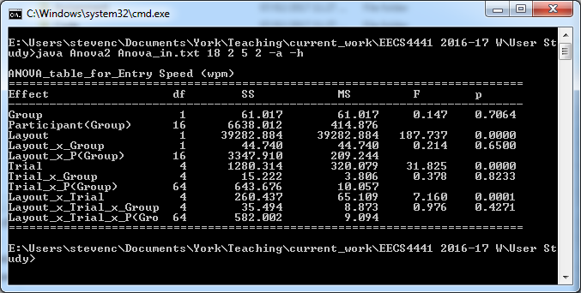
Using STATVIEW
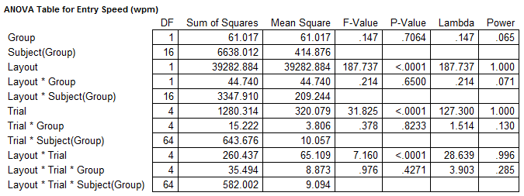

Using ANOVA2

Relationships
 | Performance Results |  |  | Questionnaire Responses |  |  |  |  |  |  |  | Overall Entry Speed (wpm) by First Language |  |  | Overll Entry Speed (wpm) by Gender
Participant | Text Entry Speed (wpm) |  |  | Sex (M/F) | Age | English as 1st language (Y/N) | Hours of computer use per day? | Do you regularly use a mobile phone? (Y/N) | Do you send text messages on a mobile phone? (Y/N) | If yes, how many messages per day?
 | Overall | Opti (A) | Qwerty (B) |  |  |  |  |  |  |  |  | English | Non-English |  | Female | Male
P1 | 31.16 | 16.99 | 45.32 | M | 21 | Y | 6 | Y | Y | 10.00 |  | 31.16 |  |  |  | 31.16
P2 | 20.68 | 8.85 | 32.51 | M | 20 | Y | 10 | Y | Y | 6.00 |  | 20.68 |  |  |  | 20.68
P3 | 23.52 | 11.10 | 35.94 | M | 23 | Y | 6 | Y | Y | 20.00 |  | 23.52 |  |  |  | 23.52
P4 | 41.36 | 15.95 | 66.76 | M | 21 | Y | 10 | Y | Y | 10.00 |  | 41.36 |  |  |  | 41.36
P5 | 26.41 | 14.07 | 38.75 | F | 22 | N | 3 | Y | Y | 100.00 |  |  | 26.41 |  | 26.41
P6 | 23.59 | 12.10 | 35.07 | M | 22 | N | 5 | Y | Y | 1.00 |  |  | 23.59 |  |  | 23.59
P7 | 25.44 | 11.80 | 39.08 | M | 22 | Y | 5 | Y | Y | 40.00 |  | 25.44 |  |  |  | 25.44
P8 | 19.61 | 10.76 | 28.46 | F | 28 | N | 6 | Y | Y | 80.00 |  |  | 19.61 |  | 19.61
P9 | 40.43 | 22.09 | 58.77 | M | 22 | N | 10 | Y | Y | 100.00 |  |  | 40.43 |  |  | 40.43
P10 | 32.64 | 16.80 | 48.47 | M | 0 | Y | 6 | Y | Y | 30.00 |  | 32.64 |  |  |  | 32.64
P11 | 23.42 | 15.60 | 31.23 | F | 23 | N | 14 | Y | Y | 3.00 |  |  | 23.42 |  | 23.42
P12 | 28.31 | 12.83 | 43.78 | F | 23 | N | 5 | Y | Y | 50.00 |  |  | 28.31 |  | 28.31
P13 | 33.80 | 14.07 | 53.53 | M | 21 | Y | 6 | Y | Y | 20.00 |  | 33.80 |  |  |  | 33.80
P14 | 29.57 | 16.09 | 43.05 | F | 25 | Y | 8 | Y | Y | 5.00 |  | 29.57 |  |  | 29.57
P15 | 26.62 | 13.63 | 39.60 | M | 21 | Y | 7 | Y | Y | 30.00 |  | 26.62 |  |  |  | 26.62
P16 | 22.60 | 8.21 | 36.98 | F | 24 | N | 5 | Y | Y | 60.00 |  |  | 22.60 |  | 22.60
P17 | 34.27 | 11.36 | 57.17 | M | 22 | N | 7 | Y | Y | 0.00 |  |  | 34.27 |  |  | 34.27
P18 | 31.45 | 16.62 | 46.28 | F | 22 | Y | 10 | Y | Y | 100.00 |  | 31.45 |  |  | 31.45

 |  |  |  |  |  |  |  |  |  |  | Entry Speed (wpm) | English | Non-English | Entry Speed (wpm) | Female | Male
 |  |  |  |  |  |  |  |  |  |  | Mean | 29.6 | 27.3 | Mean | 25.91 | 30.32
 |  |  |  |  |  |  |  |  |  |  | SE | 1.87 | 2.18 | SE | 1.60 | 2.09

 |  |  |  |  |  |  |  | Correlation
 |  |  |  |  |  |  |  | r =
 |  |  |  |  |  |  |  | 0.22069389531

 |  |  |  |  |  |  |  | Correlation
 |  |  |  |  |  |  |  | r =
 |  |  |  |  |  |  |  | -0.27624691678

Keyboards
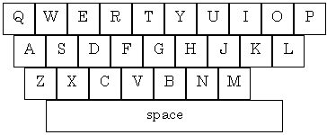

OPTI
QWERTY

MacKenzie, I. S., & Zhang, S. X. (1999). The design and evaluation of a high-performance soft keyboard. Proceedings of the ACM Conference on Human Factors in Computing Systems - CHI '99, 25-31. New York: ACM.
QWERTY is the most common modern-day keyboard layout. This layout was devised and created in the early 1870s by Christopher Latham Sholes,. The layout was designed to reduce jamming in typewriters. The slant in the key arrangement was originally required for each key's mechanical linkages, but is still preserved today. (Source: Wikipedia)

CHI99
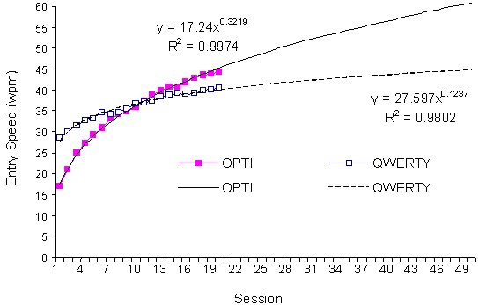
A longitudinal study comparing the Opti and Qwerty software keyboards is presented in a CHI99 paper

URL: http://www.yorku.ca/mack/CHI99a.html

Main Result:

